Metanol
Lista

Use of monomer fraction data in the parametrization of association theories |  | Ten Years with the CPA (Cubic-Plus-Association) Equation of State. Part 1. Pure Compounds and Self-Associating Systems
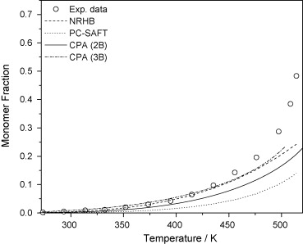
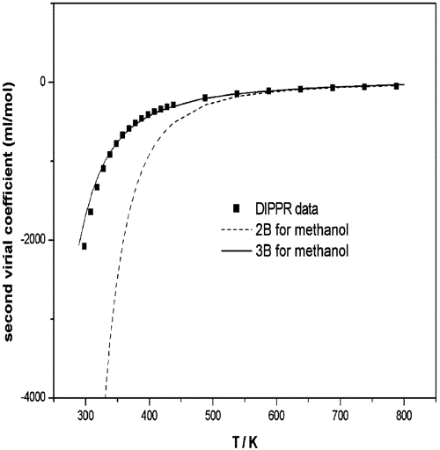

Fig. 4. Monomer fraction for methanol with three association theories. Experimental data [1] (points), NRHB, CPA and sPC-SAFT predictions (lines). |  | Figure 3 Prediction of second virial coefficients for methanol using CPA and two different association schemes. Experimental data from DIPPR.47

Comparison of the SRK and CPA equations of state for physical properties of water and methanol
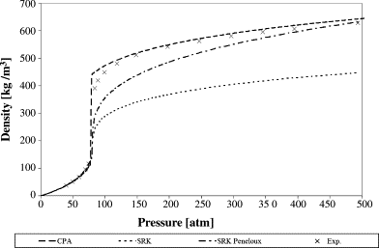
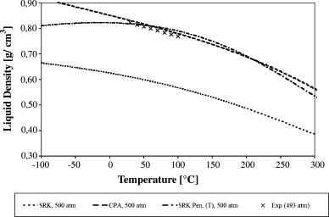

Fig. 5. The density for methanol at 513 K against pressure. Points (×) mark experimental data from Ref. [21]. The average percentage deviation over the whole pressure range is 24% for SRK, 8.9% for SRK-Peneloux and 3.4% for CPA. At 540 K, the deviations are 22.4% (SRK), 10.1% (SRK-Peneloux) and 5.4% (CPA).
 | Fig. 4. Liquid density for methanol at P = 500 atm. Points (×) mark experimental data [19].

An Equation of State for Associating Fluids
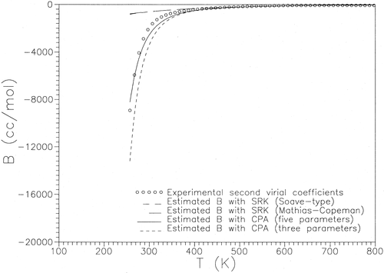

Figure 1 Prediction of second virial coefficients for methanol.

Etanol
Lista

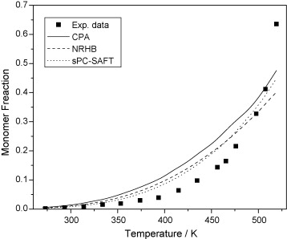
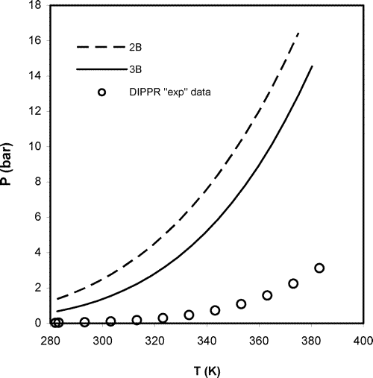
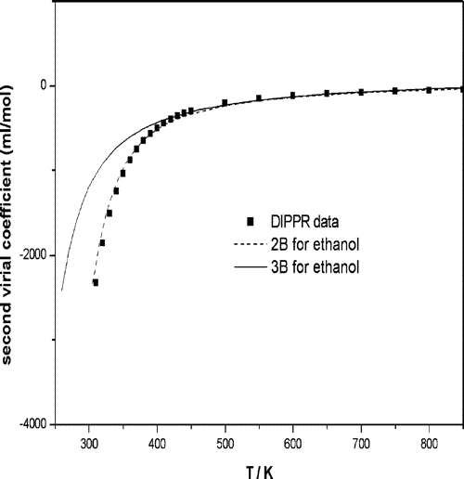
 |  |  | 191 | 881.844 | 19170.521739 | 300 | 16898.028845
Use of monomer fraction data in the parametrization of association theories | Ten Years with the CPA (Cubic-Plus-Association) Equation of State. Part 1. Pure Compounds and Self-Associating Systems |  | 197.44 | 876.369 | 19051.5 | 302 | 16865.027498
 |  |  | 203.88 | 870.85 | 18931.521739 | 304 | 16831.758161
 |  |  | 210.32 | 865.286 | 18810.565217 | 306 | 16798.224764
 |  |  | 216.76 | 859.675 | 18688.586957 | 308 | 16764.431242
 |  |  | 223.2 | 854.017 | 18565.586957 | 310 | 16730.353546
 |  |  | 229.64 | 848.308 | 18441.478261 | 312 | 16695.995966
 |  |  | 236.08 | 842.548 | 18316.26087 | 314 | 16661.335039
 |  |  | 242.52 | 836.734 | 18189.869565 | 316 | 16626.403061
 |  |  | 248.96 | 830.864 | 18062.26087 | 318 | 16591.149286
 |  |  | 255.4 | 824.937 | 17933.413043 | 320 | 16555.606142
 |  |  | 261.84 | 818.948 | 17803.217391 | 322 | 16519.751014
 |  |  | 268.28 | 812.897 | 17671.673913 | 324 | 16483.561768
 |  |  | 274.72 | 806.781 | 17538.717391 | 326 | 16447.070859
 |  |  | 281.16 | 800.595 | 17404.23913 | 328 | 16410.25641
 |  |  | 287.6 | 794.338 | 17268.217391 | 330 | 16373.070229
 |  |  | 294.04 | 788.006 | 17130.565217 | 332 | 16335.571851
 |  |  | 300.48 | 781.596 | 16991.217391 | 334 | 16297.713594
 |  |  | 306.92 | 775.103 | 16850.065217 | 336 | 16259.501646
 |  |  | 313.36 | 768.523 | 16707.021739 | 338 | 16220.915898
Fig. 5. Monomer fraction for ethanol with three association theories. Experimental data [1] (points), NRHB, CPA and sPC-SAFT predictions (lines). | Figure 13 Performance of the physical term of CPA (i.e., repulsive and attractive term from the SRK part) in the calculation of the vapor pressure of pure ethanol, using the 2B association scheme (pure component parameters presented in Table 4) or the 3B association scheme (pure component parameters presented in Table 6). | Figure 4 Prediction of second virial coefficients for ethanol using CPA and two different association schemes. Experimental data from DIPPR.47 | 319.8 | 761.852 | 16562 | 340 | 16181.962937
 |  |  | 326.24 | 755.084 | 16414.869565 | 342 | 16142.623305
 |  |  | 332.68 | 748.215 | 16265.543478 | 344 | 16102.903998
 |  |  | 339.12 | 741.239 | 16113.891304 | 346 | 16062.786219
 |  |  | 345.56 | 734.148 | 15959.73913 | 348 | 16022.277374
 |  |  | 352 | 726.936 | 15802.956522 | 350 | 15981.359342
An Equation of State for Associating Fluids |  |  | 358.44 | 719.594 | 15643.347826 | 352 | 15940.014537
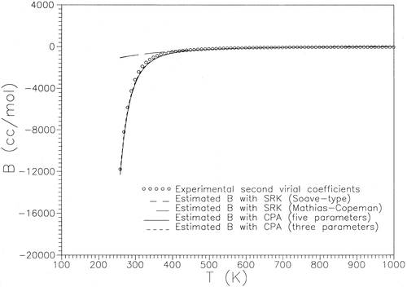
 |  |  | 364.88 | 712.115 | 15480.76087 | 354 | 15898.251192
 |  |  | 371.32 | 704.488 | 15314.956522 | 356 | 15856.052414
 |  |  | 377.76 | 696.702 | 15145.695652 | 358 | 15813.401858
 |  |  | 384.2 | 688.744 | 14972.695652 | 360 | 15770.308609
 |  |  | 390.64 | 680.601 | 14795.673913 | 362 | 15726.7323
 |  |  | 397.08 | 672.257 | 14614.282609 | 364 | 15682.707463
 |  |  | 403.52 | 663.693 | 14428.108696 | 366 | 15638.194727
 |  |  | 409.96 | 654.888 | 14236.695652 | 368 | 15593.204481
 |  |  | 416.4 | 645.818 | 14039.521739 | 370 | 15547.722958
 |  |  | 422.84 | 636.452 | 13835.913043 | 372 | 15501.712939
 |  |  | 429.28 | 626.756 | 13625.130435 | 374 | 15455.186142
 |  |  | 435.72 | 616.689 | 13406.282609 | 376 | 15408.130562
 |  |  | 442.16 | 606.198 | 13178.217391 | 378 | 15360.558387
 |  |  | 448.6 | 595.22 | 12939.565217 | 380 | 15312.411475
 |  |  | 455.04 | 583.674 | 12688.565217 | 382 | 15263.703371
 |  |  | 461.48 | 571.452 | 12422.869565 | 384 | 15214.424492
 |  |  | 467.92 | 558.413 | 12139.413043 | 386 | 15164.565869
 |  |  | 474.36 | 544.357 | 11833.847826 | 388 | 15114.096313
Figure 2 Prediction of second virial coefficients for ethanol |  |  | 480.8 | 528.994 | 11499.869565 | 390 | 15063.031254
 |  |  | 487.24 | 511.868 | 11127.565217 | 392 | 15011.341068
 |  |  | 493.68 | 492.188 | 10699.73913 | 394 | 14959.019765
 |  |  | 500.12 | 468.366 | 10181.869565 | 396 | 14906.039778
 |  |  | 506.56 | 436.092 | 9480.2608696 | 398 | 14852.39688
 |  |  | 513 | 354.644 | 7709.6521739 | 400 | 14798.065597
 |  |  |  |  |  | 402 | 14743.065231
 |  |  |  |  |  | 404 | 14687.350373
 |  |  |  |  |  | 406 | 14630.898996
 |  |  |  |  |  | 408 | 14573.711647
 |  |  |  |  |  | 410 | 14515.78955
 |  |  |  |  |  | 412 | 14457.071894
 |  |  |  |  |  | 414 | 14397.58351
 |  |  |  |  |  | 416 | 14337.267001
 |  |  |  |  |  | 418 | 14276.128885
 |  |  |  |  |  | 420 | 14214.156162
 |  |  |  |  |  | 422 | 14151.297179
 |  |  |  |  |  | 424 | 14087.562654
 |  |  |  |  |  | 426 | 14022.924677
 |  |  |  |  |  | 428 | 13957.338001
 |  |  |  |  |  | 430 | 13890.798874
 |  |  |  |  |  | 432 | 13823.285878
 |  |  |  |  |  | 434 | 13754.760867
 |  |  |  |  |  | 436 | 13685.207386
 |  |  |  |  |  | 438 | 13614.592665
 |  |  |  |  |  | 440 | 13542.886937
 |  |  |  |  |  | 442 | 13470.063457
 |  |  |  |  |  | 444 | 13396.09852
 |  |  |  |  |  | 446 | 13320.935982
 |  |  |  |  |  | 448 | 13244.577008
 |  |  |  |  |  | 450 | 13166.938344
 |  |  |  |  |  | 452 | 13088.028773
 |  |  |  |  |  | 454 | 13007.774747
 |  |  |  |  |  | 456 | 12926.159315
 |  |  |  |  |  | 458 | 12843.120005
 |  |  |  |  |  | 460 | 12758.633448
 |  |  |  |  |  | 462 | 12672.616883
 |  |  |  |  |  | 464 | 12585.043431
 |  |  |  |  |  | 466 | 12495.829517
 |  |  |  |  |  | 468 | 12404.962481
 |  |  |  |  |  | 470 | 12312.32932
 |  |  |  |  |  | 472 | 12217.903872
 |  |  |  |  |  | 474 | 12121.579442
 |  |  |  |  |  | 476 | 12023.305976
 |  |  |  |  |  | 478 | 11923.001258
 |  |  |  |  |  | 480 | 11820.554526
 |  |  |  |  |  | 482 | 11715.871374
 |  |  |  |  |  | 484 | 11608.873823
 |  |  |  |  |  | 486 | 11499.421004
 |  |  |  |  |  | 488 | 11387.407577
 |  |  |  |  |  | 490 | 11272.698989
 |  |  |  |  |  | 492 | 11155.124274
 |  |  |  |  |  | 494 | 11034.543639
 |  |  |  |  |  | 496 | 10910.765216
 |  |  |  |  |  | 498 | 10783.601162
 |  |  |  |  |  | 500 | 10652.803818

Água
Lista

Use of monomer fraction data in the parametrization of association theories | Comparison of the SRK and CPA equations of state for physical properties of water and methanol
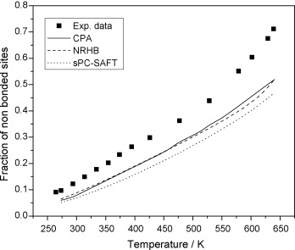
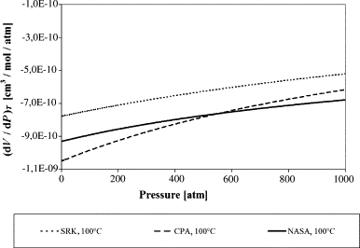
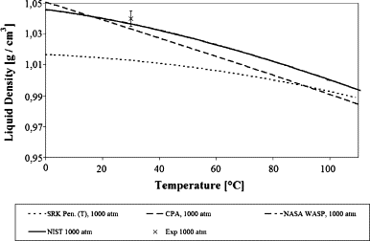

Fig. 3. Experimental data [1] and modeling with CPA, sPC-SAFT and NRHB of the fraction of free sites as a function of temperature for water. The 4C scheme is used for water with all models. | Fig. 3. The derivative (∂V/∂P)T for water at T = 100 °C in the pressure range of 0–1000 atm. The Peneloux correction does not affect this property. |  |  |  |  |  |  |  | Fig. 1. Liquid density plot for water at P = 1000 atm. SRK calculations are in the range from 0.769 to 0.711 g/cm3 and not shown. Points (×) mark experimental data used to verify the accuracy of WASP and NIST correlations.

 | Table 2.

 | Densities for water

 | Temperature (K) | Pressure (atm) | Density (kg m−3) |  |  |  |  |  | Density % deviation

 |  |  | Exp. | WASP | NIST | SRK | Pen. | CPA | WASP | NIST | SRK | Pen. | CPA
 | 273 | 0.97 | 1000 | 999.8 | 999.8 | 769 | 1003 | 1022 | 0.02 | −0.02 | −23 | 0.30 | 2.20
 | 273 | 238 | 1010 | 1012 | 1011.7 | 771 | 1006 | 1030 | 0.20 | 0.17 | −24 | −0.40 | 1.98
 | 273 | 825 | 1040 | 1039 | 1038.5 | 776 | 1015 | 1047 | −0.14 | −0.14 | −25 | −2.40 | 0.67
 | 273 | 1615 | 1070 | 1046 | 1069.5 | 781 | 1024 | – | −2.24 | −0.05 | −27 | −4.30 | –
 | 283.3 | 0.97 | 1000 | 1000 | 999.7 | 764 | 1000 | 1015 | 0.00 | −0.03 | −24 | 0.00 | 1.50
 | 283.3 | 504 | 1020 | 1023 | 1022.8 | 769 | 1009 | 1032 | 0.29 | 0.27 | −25 | −1.08 | 1.18
 | 283.3 | 1846 | 1070 | 1046 | 1073.8 | 779 | 1026 | – | −2.24 | 0.36 | −27 | −4.11 | –
 | 303 | 0.97 | 1000 | 996 | 995.7 | 754 | 995 | 1002 | −0.40 | −0.43 | −25 | −0.50 | 0.20
 | 303 | 221 | 1000 | 1005 | 1005.4 | 756 | 999 | 1010 | 0.50 | 0.54 | −24 | −0.10 | 1.00
 | 303 | 984 | 1040 | 1036 | 1036.0 | 764 | 1013 | 1033 | −0.38 | −0.38 | −27 | −2.6

Ácido acético
Lista
 | Modeling of the Thermodynamics of the Acetic Acid−Water Mixture Using the Cubic-Plus-Association Equation of State

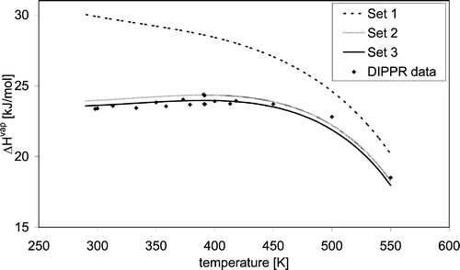
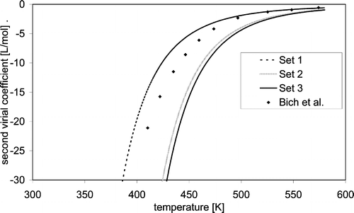

Figure 1. Experimental and predicted by CPA enthalpies of vaporization for acetic acid. The parameters for the three sets are shown in Table 8 |  | Figure 2. Experimental and predicted by CPA second virial coefficients for acetic acid. The parameters for the three sets are shown in Table 8.

Application of the CPA equation of state to organic acids |  | Table 4.
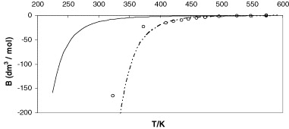
 |  | Estimation of thermodynamic properties (enthalpy and entropy of dimerisation) and the equilibrium dimerisation constant at 325 K for pure carboxylic acid dimers with CPA compared to experimental data | Formic acid | Acetic acid | Propionic acid
 |  | −ΔH (exp.) (K) | 6993–7131a, 7453 ± 252b | 6949–8266a, 7352 ± 252b | 7080c, 7503 ± 302b
 |  | −ΔS/R (exp.) | 17.8–18.1a, 18.2 ± 1b | 16.6–20.5a, 17.4 ± 1b | 16.7c, 18.5 ± 1.3b
 |  | K2 (exp.) | 126b | 167.6b | 88.8b
 |  | −ΔH (1A) (K) | 7478 | 5463 | 5223
 |  | −ΔS/R (1A) | 18.0 | 13.6 | 13.5
 |  | K2 (1A) | 149.8 | 103.5 | 51.9
 |  | −ΔH (2B) (K) | 2283 | 2631 | 3092
 |  | −ΔS/R (2B) | 8.5 | 9.4 | 10.0
 |  | K2 (2B) | 0.23 | 0.50 | 1.3
Prediction of the second virial coefficient (B) for acetic acid employing the 1A (dashed line) and the 2B (solid line) association models. The circles are experimental data derived from PVT data from Bich et al. [17] and Elliott and Lira [19].

Propanol
Lista
 | Use of monomer fraction data in the parametrization of association theories
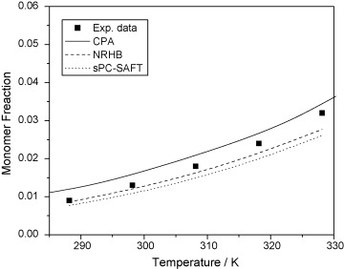

Fig. 6. Monomer fraction for 1-propanol with three association theories. Experimental data [1] (points), NRHB, CPA and sPC-SAFT predictions (lines).

Líquidos iônicos
Lista
Equation of state modelling of systems with ionic liquids: Literature review and application with the Cubic Plus Association (CPA) model
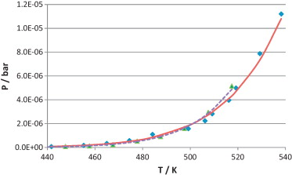
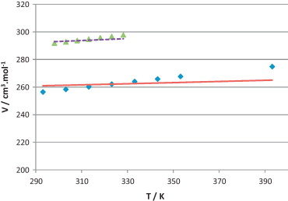

Fig. 2. Experimental [133] and [134] and calculated vapour pressures of ionic liquids [C2mim][NTf2] – set #1 and [C4mim][NTf2] – set #8. ♦, [C2mim][NTf2] experimental; ▴, [C4mim][NTf2] experimental; ——, [C2mim][NTf2] calculated; ……, [C4mim][NTf2] calculated. | Fig. 3. Experimental [135] and [136] and calculated liquid density at 1 bar for ionic liquids [C2mim][NTf2] – set #1 and [C4mim][NTf2] – set #8. ♦, [C2mim][NTf2] experimental; ▴, [C4mim][NTf2] experimental; ——, [C2mim][NTf2] calculated; ……, [C4mim][NTf2] calculated.

MEA
Lista
Modeling Systems Containing Alkanolamines with the CPA Equation of State
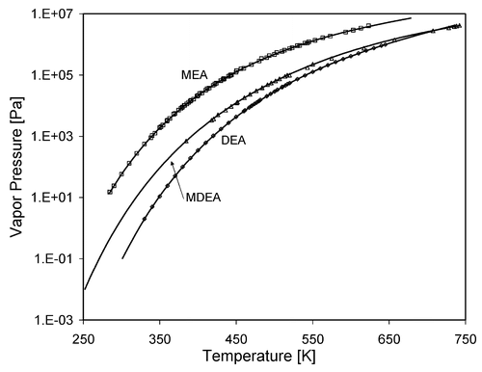
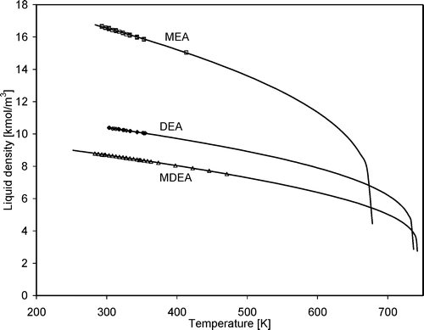

Figure 1. Comparison between the correlations (lines) for vapor pressure and experimental data (squares) (from refs 7 and 8) for MEA, DEA and MDEA. | Figure 2. Comparison between the correlations (lines) for liquid density and experimental data (squares) (from refs 8−10) for MEA, DEA and MDEA

DEA
Lista
Modeling Systems Containing Alkanolamines with the CPA Equation of State

Figure 1. Comparison between the correlations (lines) for vapor pressure and experimental data (squares) (from refs 7 and 8) for MEA, DEA and MDEA. | Figure 2. Comparison between the correlations (lines) for liquid density and experimental data (squares) (from refs 8−10) for MEA, DEA and MDEA

MDEA
Lista
Modeling Systems Containing Alkanolamines with the CPA Equation of State

Figure 1. Comparison between the correlations (lines) for vapor pressure and experimental data (squares) (from refs 7 and 8) for MEA, DEA and MDEA. | Figure 2. Comparison between the correlations (lines) for liquid density and experimental data (squares) (from refs 8−10) for MEA, DEA and MDEA

1-Propanol
Lista

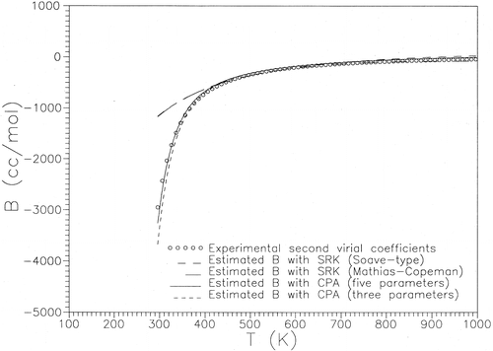

Figure 1. Comparison between the correlations (lines) for vapor pressure and experimental data (squares) (from refs 7 and 8) for MEA, DEA and MDEA.

TEG
442.026 | 2.0048 | 400 | 0.256449
458.274 | 3.995 | 401 | 0.271362
465.589 | 5.341 | 402 | 0.287044
P x T
476.326 | 8.0116 | 403 | 0.303528
484.3 | 10.668 | 404 | 0.32085
490.778 | 13.343 | 405 | 0.339046
497.453 | 16.675 | 406 | 0.358154
502.965 | 19.929 | 407 | 0.378213
510.258 | 25.04 | 408 | 0.39927
510.25 | 25.032 | 409 | 0.42135
517.539 | 31.185 | 410 | 0.444512
524.854 | 38.577 | 411 | 0.4688
532.165 | 47.368 | 412 | 0.494247
539.523 | 57.822 | 413 | 0.520915
546.884 | 70.101 | 414 | 0.548847
554.268 | 84.512 | 415 | 0.578096
561.657 | 101.312 | 416 | 0.608713
 |  | 417 | 0.640754
 |  | 418 | 0.674273
 |  | 419 | 0.70933
 |  | 420 | 0.745983
 |  | 421 | 0.784294
 |  | 422 | 0.824326
 |  | 423 | 0.866145
 |  | 424 | 0.909817
 |  | 425 | 0.955412
 |  | 426 | 1.003
 |  | 427 | 1.05266
 |  | 428 | 1.10446
 |  | 429 | 1.15848
 |  | 430 | 1.2148
 |  | 431 | 1.2735
 |  | 432 | 1.33466
 |  | 433 | 1.39838
 |  | 434 | 1.46474
 |  | 435 | 1.53384
 |  | 436 | 1.60576
 |  | 437 | 1.6806
 |  | 438 | 1.75846
 |  | 439 | 1.83945
 |  | 440 | 1.92366
 |  | 441 | 2.01121
 |  | 442 | 2.1022
 |  | 443 | 2.19674
 |  | 444 | 2.29495
 |  | 445 | 2.39695
 |  | 446 | 2.50286
 |  | 447 | 2.6128
 |  | 448 | 2.72689
 |  | 449 | 2.84527
 |  | 450 | 2.96806
 |  | 451 | 3.09541
 |  | 452 | 3.22745
 |  | 453 | 3.36436
 |  | 454 | 3.50618
 |  | 455 | 3.65318
 |  | 456 | 3.80542
 |  | 457 | 3.9631
 |  | 458 | 4.12638
 |  | 459 | 4.2954
 |  | 460 | 4.47035
 |  | 461 | 4.65137
 |  | 462 | 4.83865
 |  | 463 | 5.03236
 |  | 464 | 5.23268
 |  | 465 | 5.43979
 |  | 466 | 5.65387
 |  | 467 | 5.87512
 |  | 468 | 6.10373
 |  | 469 | 6.3399
 |  | 470 | 6.58383
 |  | 471 | 6.83572
 |  | 472 | 7.09578
 |  | 473 | 7.36422
 |  | 474 | 7.64128
 |  | 475 | 7.92714
 |  | 476 | 8.22205
 |  | 477 | 8.52622
 |  | 478 | 8.83992
 |  | 479 | 9.16334
 |  | 480 | 9.49675
 |  | 481 | 9.84039
 |  | 482 | 10.1945
 |  | 483 | 10.5593
 |  | 484 | 10.9352
 |  | 485 | 11.3223
 |  | 486 | 11.7209
 |  | 487 | 12.1312
 |  | 488 | 12.5537
 |  | 489 | 12.9884
 |  | 490 | 13.4358
 |  | 491 | 13.8961
 |  | 492 | 14.3697
 |  | 493 | 14.8567
 |  | 494 | 15.3575
 |  | 495 | 15.8724
 |  | 496 | 16.4017
 |  | 497 | 16.9458
 |  | 498 | 17.5049
 |  | 499 | 18.0794
 |  | 500 | 18.6696
 |  | 501 | 19.2758
 |  | 502 | 19.8984
 |  | 503 | 20.5377
 |  | 504 | 21.1941
 |  | 505 | 21.8679
 |  | 506 | 22.5595
 |  | 507 | 23.2692
 |  | 508 | 23.9974
 |  | 509 | 24.7445
 |  | 510 | 25.5109
 |  | 511 | 26.2968
 |  | 512 | 27.1028
 |  | 513 | 27.9292
 |  | 514 | 28.7764
 |  | 515 | 29.6448
 |  | 516 | 30.5348
 |  | 517 | 31.4469
 |  | 518 | 32.3813
 |  | 519 | 33.3386
 |  | 520 | 34.3192
 |  | 521 | 35.3235
 |  | 522 | 36.3519
 |  | 523 | 37.4049
 |  | 524 | 38.483
 |  | 525 | 39.5865
 |  | 526 | 40.7159
 |  | 527 | 41.8717
 |  | 528 | 43.0544
 |  | 529 | 44.2643
 |  | 530 | 45.5021
 |  | 531 | 46.7682
 |  | 532 | 48.063
 |  | 533 | 49.387
 |  | 534 | 50.7408
 |  | 535 | 52.1248
 |  | 536 | 53.5396
 |  | 537 | 54.9856
 |  | 538 | 56.4633
 |  | 539 | 57.9734
 |  | 540 | 59.5162
 |  | 541 | 61.0924
 |  | 542 | 62.7025
 |  | 543 | 64.3469
 |  | 544 | 66.0263
 |  | 545 | 67.7412
 |  | 546 | 69.4921
 |  | 547 | 71.2797
 |  | 548 | 73.1044
 |  | 549 | 74.9668
 |  | 550 | 76.8676
 |  | 551 | 78.8072
 |  | 552 | 80.7863
 |  | 553 | 82.8055
 |  | 554 | 84.8653
 |  | 555 | 86.9664
 |  | 556 | 89.1093
 |  | 557 | 91.2946
 |  | 558 | 93.5231
 |  | 559 | 95.7952
 |  | 560 | 98.1116
 |  | 561 | 100.473
 |  | 562 | 102.88
 |  | 563 | 105.333
 |  | 564 | 107.833
 |  | 565 | 110.38
 |  | 566 | 112.976
 |  | 567 | 115.62
 |  | 568 | 118.314
 |  | 569 | 121.058
 |  | 570 | 123.852
 |  | 571 | 126.698
 |  | 572 | 129.597
 |  | 573 | 132.548
 |  | 574 | 135.552
 |  | 575 | 138.611
 |  | 576 | 141.725
 |  | 577 | 144.894
 |  | 578 | 148.119
 |  | 579 | 151.402
 |  | 580 | 154.742
 |  | 581 | 158.141
 |  | 582 | 161.599
 |  | 583 | 165.117
 |  | 584 | 168.695
 |  | 585 | 172.335
 |  | 586 | 176.037
 |  | 587 | 179.801
 |  | 588 | 183.63
 |  | 589 | 187.522
 |  | 590 | 191.48
 |  | 591 | 195.504
 |  | 592 | 199.594
 |  | 593 | 203.752
 |  | 594 | 207.978
 |  | 595 | 212.273
 |  | 596 | 216.638
 |  | 597 | 221.073
 |  | 598 | 225.58
 |  | 599 | 230.158
 |  | 600 | 234.81

